Claude AI
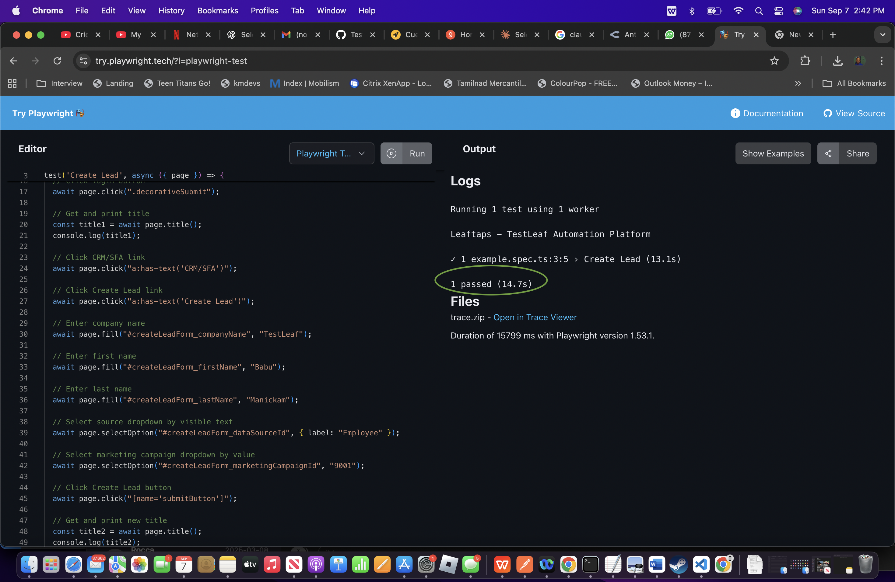
 |  | Output | Selenium Code
Prompt | Playwright / Typescript Code |  | package week2.day1; import org.openqa.selenium.By; import org.openqa.selenium.WebElement; import org.openqa.selenium.chrome.ChromeDriver; import org.openqa.selenium.support.ui.Select; import io.github.bonigarcia.wdm.WebDriverManager; public class CreateLead { public static void main(String[] args) { // Step 0) Setup the chromedriver using webdrivermanager software WebDriverManager.chromedriver().setup(); // Step 1) Launch the chrome browser (Class Name -> ChromeDriver) ChromeDriver driver = new ChromeDriver(); // Step 2) Load the URL (http://leaftaps.com/opentaps/control/main) -> get driver.get("http://leaftaps.com/opentaps"); // Step 3) Maximize the chrome browser driver.manage().window().maximize(); // Step 4) Find the username and type the value (DemoSalesManager) driver.findElement(By.id("username")).sendKeys("DemoSalesManager"); // Step 5) Find the password and type the value (crmsfa) driver.findElement(By.id("password")).sendKeys("crmsfa"); // Step 6) Find the login button and click driver.findElement(By.className("decorativeSubmit")).click(); // Step 7) Verify the title String title = driver.getTitle(); System.out.println(title); // Step 8) Click CRM/SFA link driver.findElement(By.linkText("CRM/SFA")).click(); // Step 9) Click Create Lead Link driver.findElement(By.linkText("Create Lead")).click(); // Step 10) Find the company name and type the company name driver.findElement(By.id("createLeadForm_companyName")).sendKeys("TestLeaf"); // Step 11) Find the first name and type your name driver.findElement(By.id("createLeadForm_firstName")).sendKeys("Babu"); // Step 12) Find the last name and type your name driver.findElement(By.id("createLeadForm_lastName")).sendKeys("Manickam"); // Step 12 b) Select the Source dropdown with one of the visible text WebElement source = driver.findElement(By.id("createLeadForm_dataSourceId")); Select dd1 = new Select(sou
Context : As a senior Test Automation Architect, do the migration of code from selenium to Playwright type script for the below selenium script package week2.day1; import org.openqa.selenium.By; import org.openqa.selenium.WebElement; import org.openqa.selenium.chrome.ChromeDriver; import org.openqa.selenium.support.ui.Select; import io.github.bonigarcia.wdm.WebDriverManager; public class CreateLead { public static void main(String[] args) { // Step 0) Setup the chromedriver using webdrivermanager software WebDriverManager.chromedriver().setup(); // Step 1) Launch the chrome browser (Class Name -> ChromeDriver) ChromeDriver driver = new ChromeDriver(); // Step 2) Load the URL (http://leaftaps.com/opentaps/control/main) -> get driver.get("http://leaftaps.com/opentaps"); // Step 3) Maximize the chrome browser driver.manage().window().maximize(); // Step 4) Find the username and type the value (DemoSalesManager) driver.findElement(By.id("username")).sendKeys("DemoSalesManager"); // Step 5) Find the password and type the value (crmsfa) driver.findElement(By.id("password")).sendKeys("crmsfa"); // Step 6) Find the login button and click driver.findElement(By.className("decorativeSubmit")).click(); // Step 7) Verify the title String title = driver.getTitle(); System.out.println(title); // Step 8) Click CRM/SFA link driver.findElement(By.linkText("CRM/SFA")).click(); // Step 9) Click Create Lead Link driver.findElement(By.linkText("Create Lead")).click(); // Step 10) Find the company name and type the company name driver.findElement(By.id("createLeadForm_companyName")).sendKeys("TestLeaf"); // Step 11) Find the first name and type your name driver.findElement(By.id("createLeadForm_firstName")).sendKeys("Babu"); // Step 12) Find the last name and type your name driver.findElement(By.id("createLeadForm_lastName")).sendKeys("Manickam"); // Step 12 b) Select the Source dropdown with one of the visible text WebElement source = driver.findElement(By.id("cre | import { test, expect } from "@playwright/test"; test('Create Lead', async ({ page }) => { // Launch browser and navigate to URL await page.goto("http://leaftaps.com/opentaps"); // Maximize browser window await page.setViewportSize({ width: 1920, height: 1080 }); // Enter username await page.fill("#username", "DemoSalesManager"); // Enter password await page.fill("#password", "crmsfa"); // Click login button await page.click(".decorativeSubmit"); // Get and print title const title1 = await page.title(); console.log(title1); // Click CRM/SFA link await page.click("a:has-text('CRM/SFA')"); // Click Create Lead link await page.click("a:has-text('Create Lead')"); // Enter company name await page.fill("#createLeadForm_companyName", "TestLeaf"); // Enter first name await page.fill("#createLeadForm_firstName", "Babu"); // Enter last name await page.fill("#createLeadForm_lastName", "Manickam"); // Select source dropdown by visible text await page.selectOption("#createLeadForm_dataSourceId", { label: "Employee" }); // Select marketing campaign dropdown by value await page.selectOption("#createLeadForm_marketingCampaignId", "9001"); // Click Create Lead button await page.click("[name='submitButton']"); // Get and print new title const title2 = await page.title(); console.log(title2); });

API - GPT
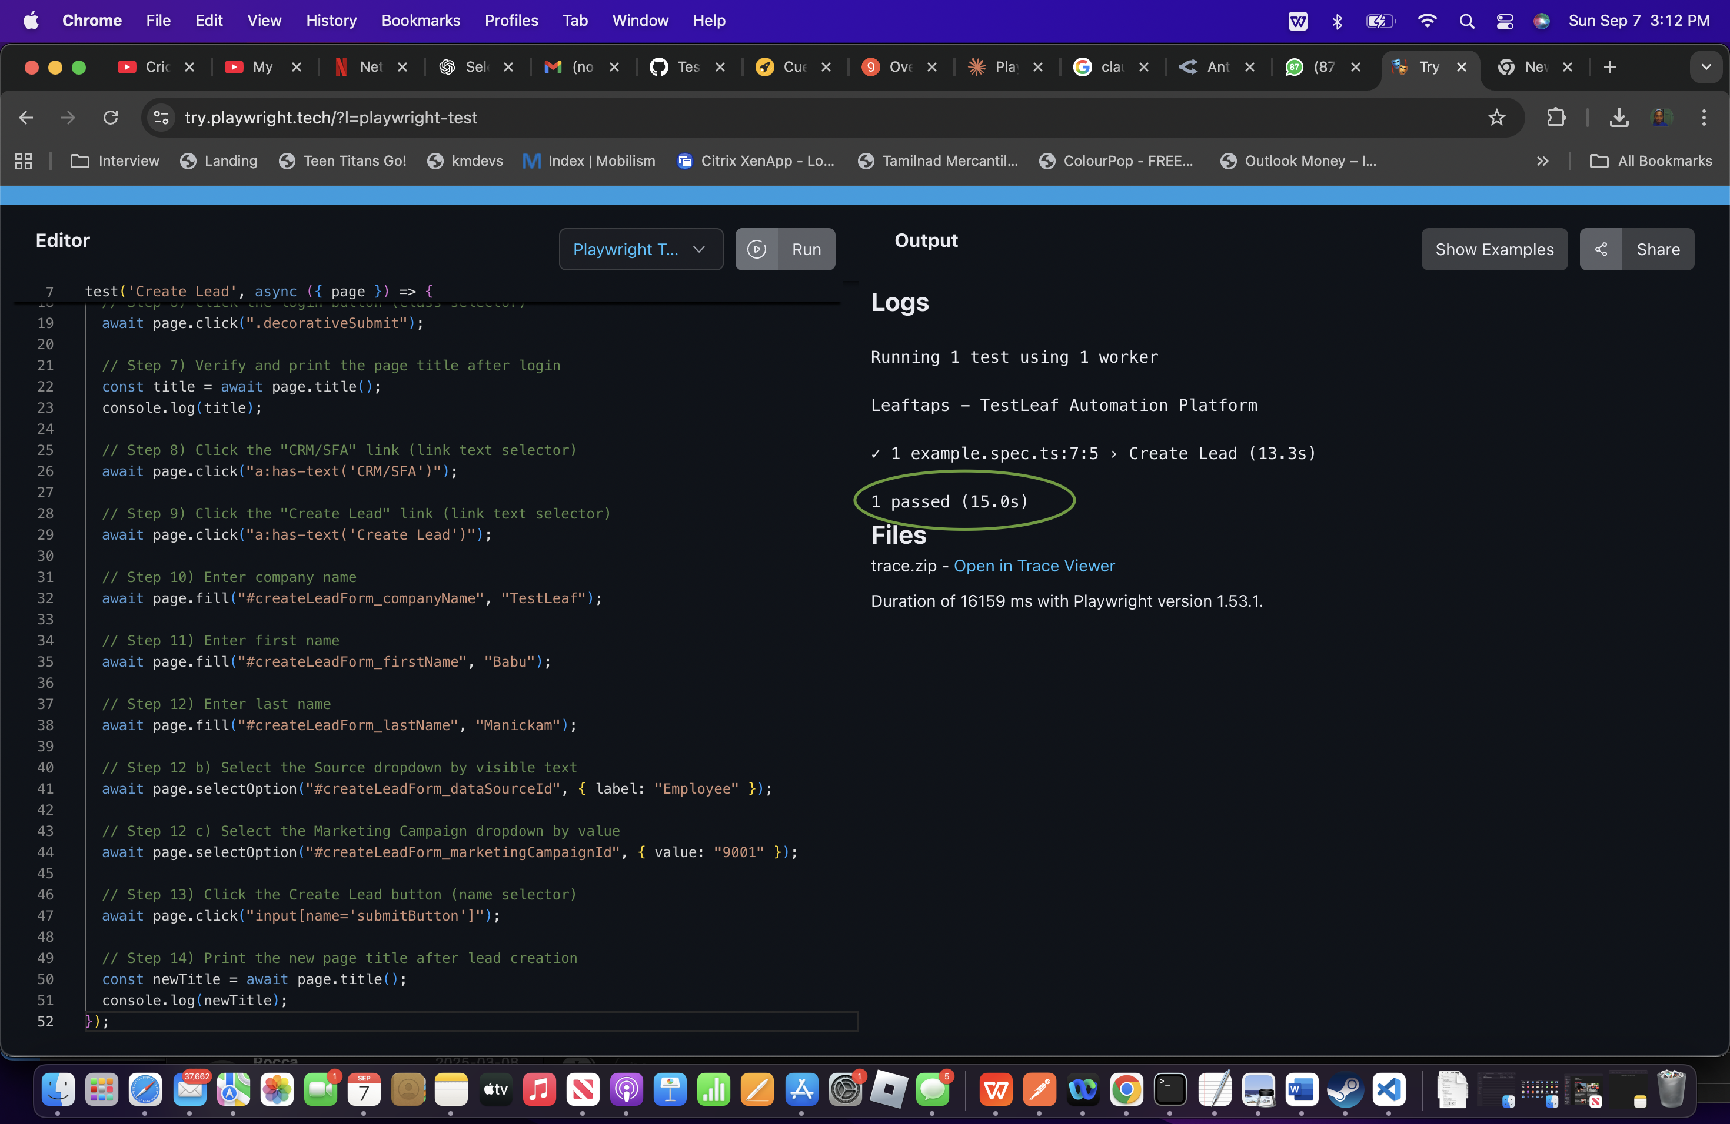
Prompt | Output | Playwright TypeScript | TryPlaywright Output
{ "messages": [ { "role": "system", "content": "Context: Be the best in class Senior Test Automation Architect to do conversion from Selenium code to Playwright TypeScript code.\n\nInstruction:\n- Implementation guidelines:\n - Playwright latest version if appropriate\n - Use TypeScript code\n - Import required classes\n - Add required classes and methods\n - [MANDATORY] Every method should have proper comments above method signature\n - Do not send any explanation or additional text\n - Use selectByVisibleText for dropdowns\n - Highlight the response -Write a code that is easily run in tryplaywright online - [CRITICAL] use right locators starting id, name, class, link text and finally xpath- Format the Playwright code so that it can be run easily typescript - \n\nExamples:\n\nExample 1:\n\nimport { test, expect } from \"@playwright/test\";\n\ntest('LeafTaps Login', async ({ page }) => {\n // Navigate to login page\n await page.goto(\"http://leaftaps.com/opentaps/control/main\");\n await page.setViewportSize({ width: 1920, height: 1080 });\n\n // Enter username\n await page.fill(\"#username\", \"Demosalesmanager\");\n\n // Enter password\n await page.fill(\"#password\", \"crmsfa\");\n\n // Click Login\n await page.click(\".decorativeSubmit\");\n\n // Verify successful login by checking for CRM/SFA link\n await expect(page.locator(\"a:has-text('CRM/SFA')\")).toBeVisible();\n\n console.log(\"✅ Login successful, CRM/SFA link is visible\");\n});" }, { "role": "user", "content": "Generate the Playwright TypeScript code from the below Selenium Code:\n\npackage week2.day1;\n\nimport org.openqa.selenium.By;\nimport org.openqa.selenium.WebElement;\nimport org.openqa.selenium.chrome.ChromeDriver;\nimport org.openqa.selenium.support.ui.Select;\n\nimport io.github.bonigarcia.wdm.WebDriverManager;\n\npublic class CreateLead {\n\tpublic static void main(String[] args) {\n\t\t// Step 0) Setup the chromedriver using webdrive | { "id": "chatcmpl-1c75c00f-c6ee-4ede-8e36-4b5cf472a199", "object": "chat.completion", "created": 1757268574, "model": "openai/gpt-oss-120b", "choices": [ { "index": 0, "message": { "role": "assistant", "content": "```typescript\nimport { test, expect } from \"@playwright/test\";\n\n/**\n * Test to create a new lead in the LeafTaps application.\n * This script replicates the Selenium workflow using Playwright with TypeScript.\n */\ntest('Create Lead', async ({ page }) => {\n // Step 2) Load the URL and maximize the browser window\n await page.goto(\"http://leaftaps.com/opentaps\");\n await page.setViewportSize({ width: 1920, height: 1080 });\n\n // Step 4) Enter username\n await page.fill(\"#username\", \"DemoSalesManager\");\n\n // Step 5) Enter password\n await page.fill(\"#password\", \"crmsfa\");\n\n // Step 6) Click the login button\n await page.click(\".decorativeSubmit\");\n\n // Step 7) Print the page title after login\n const title = await page.title();\n console.log(title);\n\n // Step 8) Click the \"CRM/SFA\" link\n await page.click(\"a:has-text('CRM/SFA')\");\n\n // Step 9) Click the \"Create Lead\" link\n await page.click(\"a:has-text('Create Lead')\");\n\n // Step 10) Enter company name\n await page.fill(\"#createLeadForm_companyName\", \"TestLeaf\");\n\n // Step 11) Enter first name\n await page.fill(\"#createLeadForm_firstName\", \"Babu\");\n\n // Step 12) Enter last name\n await page.fill(\"#createLeadForm_lastName\", \"Manickam\");\n\n // Step 12 b) Select the Source dropdown by visible text\n await page.selectOption(\"#createLeadForm_dataSourceId\", { label: \"Employee\" });\n\n // Step 12 c) Select the Marketing Campaign dropdown by value\n await page.selectOption(\"#createLeadForm_marketingCampaignId\", { value: \"9001\" });\n\n // Step 13) Click the \"Create Lead\" button\n await page.click(\"input[name='submitButton']\");\n\n // Step | import { test, expect } from "@playwright/test"; /** * Test to create a new lead in the LeafTaps application. * Mirrors the Selenium workflow using Playwright selectors and actions. */ test('Create Lead', async ({ page }) => { // Step 2) Load the URL and maximize the browser window await page.goto("http://leaftaps.com/opentaps"); await page.setViewportSize({ width: 1920, height: 1080 }); // Step 4) Enter username await page.fill("#username", "DemoSalesManager"); // Step 5) Enter password await page.fill("#password", "crmsfa"); // Step 6) Click the login button (class selector) await page.click(".decorativeSubmit"); // Step 7) Verify and print the page title after login const title = await page.title(); console.log(title); // Step 8) Click the "CRM/SFA" link (link text selector) await page.click("a:has-text('CRM/SFA')"); // Step 9) Click the "Create Lead" link (link text selector) await page.click("a:has-text('Create Lead')"); // Step 10) Enter company name await page.fill("#createLeadForm_companyName", "TestLeaf"); // Step 11) Enter first name await page.fill("#createLeadForm_firstName", "Babu"); // Step 12) Enter last name await page.fill("#createLeadForm_lastName", "Manickam"); // Step 12 b) Select the Source dropdown by visible text await page.selectOption("#createLeadForm_dataSourceId", { label: "Employee" }); // Step 12 c) Select the Marketing Campaign dropdown by value await page.selectOption("#createLeadForm_marketingCampaignId", { value: "9001" }); // Step 13) Click the Create Lead button (name selector) await page.click("input[name='submitButton']"); // Step 14) Print the new page title after lead creation const newTitle = await page.title(); console.log(newTitle); });

